Company Overview
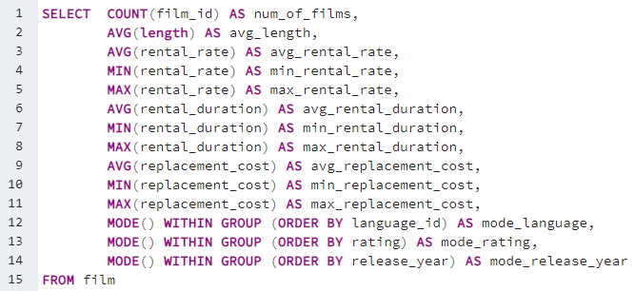
num_of_films | avg_length | avg_rental_rate | min_rental_rate | max_rental_rate | avg_rental_duration | min_rental_duration | max_rental_duration | avg_replacement_cost | min_replacement_cost | max_replacement_cost | mode_language | mode_rating | mode_release_year
1000 | 115.272 | 2.98 | 0.99 | 4.99 | 4.985 | 3 | 7 | 19.984 | 9.99 | 29.99 | 1 | PG-13 | 2006

Ratings
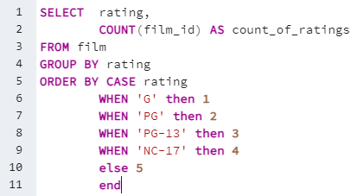
film | count_of_ratings
G | 178
PG | 194
PG-13 | 223
NC-17 | 210
R | 195

Revenue per Country
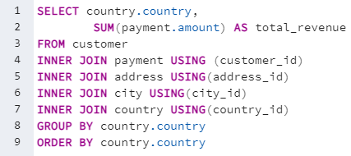
country | total_revenue
India | 6034.78
China | 5251.03
United States | 3685.31
Japan | 3122.51
Mexico | 2984.82
Brazil | 2919.19
Russian Federation | 2765.62
Philippines | 2219.7
Turkey | 1498.49
Indonesia | 1352.69
Nigeria | 1314.92
Argentina | 1298.8
Taiwan | 1155.1
South Africa | 1069.46
Iran | 877.96
United Kingdom | 850.96
Poland | 786.16
Italy | 753.26
Germany | 741.24
Vietnam | 676.45
Ukraine | 675.53
Colombia | 661.54
Egypt | 659.48
Venezuela | 632.43
Canada | 559.7
Netherlands | 557.73
South Korea | 527.77
Spain | 513.8
Yemen | 473.93
Pakistan | 473.84
Saudi Arabia | 452.94
Peru | 407.01
Thailand | 401.08
Israel | 379.13
Ecuador | 369.18
Bangladesh | 353.19
Algeria | 349.18
France | 334.12
Malaysia | 330.23
Tanzania | 322.22
Mozambique | 315.25
United Arab Emirates | 305.25
Dominican Republic | 304.26
Chile | 303.34
Austria | 284.3
Morocco | 274.35
Paraguay | 273.4
Belarus | 271.36
Latvia | 249.43
Switzerland | 248.41
Kenya | 245.49
Yugoslavia | 233.49
Puerto Rico | 224.48
Romania | 218.42
Runion | 211.55
French Polynesia | 205.52
Greece | 204.54
Sudan | 202.51
Azerbaijan | 198.53
Bulgaria | 194.52
Kazakstan | 192.51
Angola | 187.55
Cameroon | 186.49
Myanmar | 179.53
Cambodia | 179.51
Bolivia | 178.56
Congo, The Democratic Republic of the | 168.58
Oman | 161.56
Holy See (Vatican City State) | 146.68
Nauru | 143.7
Sweden | 139.67
Czech Republic | 132.72
Moldova | 127.66
Turkmenistan | 126.74
Chad | 122.72
Malawi | 121.73
Zambia | 121.7
Virgin Islands, U.S. | 121.69
Greenland | 119.72
Armenia | 118.75
Gambia | 114.73
Iraq | 111.73
Hungary | 111.71
Bahrain | 108.76
North Korea | 107.71
Brunei | 107.66
Kuwait | 106.75
Estonia | 105.72
Hong Kong | 104.76
Sri Lanka | 103.73
Liechtenstein | 99.74
Anguilla | 99.68
French Guiana | 97.8
Faroe Islands | 96.76
Senegal | 95.76
Nepal | 93.83
Tuvalu | 93.78
Madagascar | 92.79
Ethiopia | 91.77
New Zealand | 85.77
Slovakia | 80.77
Finland | 78.79
Tunisia | 73.78
Afghanistan | 67.82
Tonga | 64.84
Saint Vincent and the Grenadines | 64.82
Lithuania | 63.78
American Samoa | 47.85

Top 10 Countries by Customer
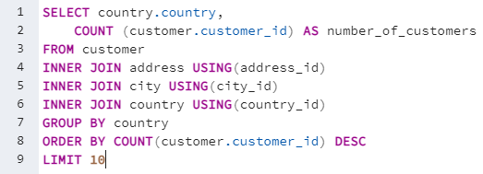
country | number_of_customers
India | 60
China | 53
United States | 36
Japan | 31
Mexico | 30
Brazil | 28
Russian Federation | 28
Philippines | 20
Turkey | 15
Indonesia | 14

Top 10 Countries by Revenue
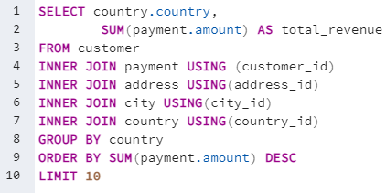
country | total_revenue
India | 6034.78
China | 5251.03
United States | 3685.31
Japan | 3122.51
Mexico | 2984.82
Brazil | 2919.19
Russian Federation | 2765.62
Philippines | 2219.7
Turkey | 1498.49
Indonesia | 1352.69

Top 10 Cities by Customer
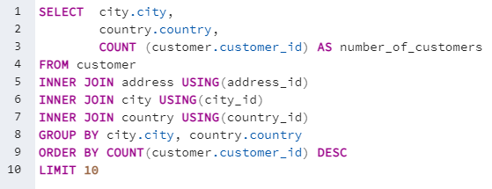
city | country | number_of_customers
Aurora | United States | 2
London | United Kingdom | 2
Kitwe | Zambia | 1
Adoni | India | 1
Dhule (Dhulia) | India | 1
Xintai | China | 1
Sivas | Turkey | 1
Mahajanga | Madagascar | 1
Nezahualcyotl | Mexico | 1
Escobar | Argentina | 1

Top 10 Cities by Revenue
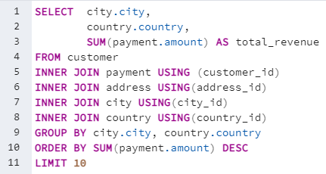
city | country | total_revenue
Saint-Denis | Runion | 211.55
Cape Coral | United States | 208.58
Santa Brbara dOeste | Brazil | 194.61
Apeldoorn | Netherlands | 191.62
Molodetno | Belarus | 189.6
Qomsheh | Iran | 183.63
London | United Kingdom | 174.54
Memphis | United States | 167.67
Richmond Hill | Canada | 167.62
Tanza | Philippines | 166.61

Top 5 Customers by Revenue
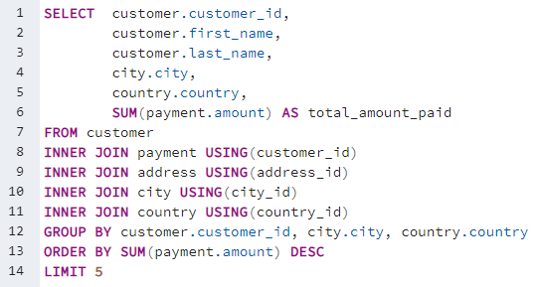
customer_id | first_name | last_name | city | country | total_amount_paid
148 | Eleanor | Hunt | Saint-Denis | Runion | 211.55
526 | Karl | Seal | Cape Coral | United States | 208.58
178 | Marion | Snyder | Santa Brbara dOeste | Brazil | 194.61
137 | Rhonda | Kennedy | Apeldoorn | Netherlands | 191.62
144 | Clara | Shaw | Molodetno | Belarus | 189.6

Top 5 Customers by Rentals
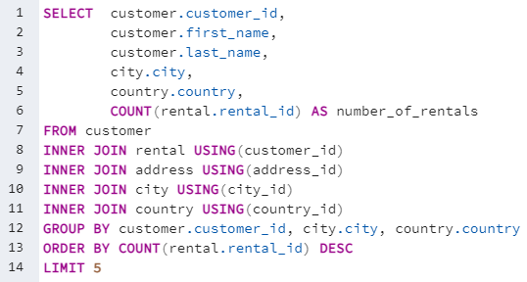
customer_id | first_name | last_name | city | country | number_of_rentals
148 | Eleanor | Hunt | Saint-Denis | Runion | 46
526 | Karl | Seal | Cape Coral | United States | 45
144 | Clara | Shaw | Molodetno | Belarus | 42
236 | Marcia | Dean | Tanza | Philippines | 42
75 | Tammy | Sanders | Changhwa | Taiwan | 41

Genre Revenue
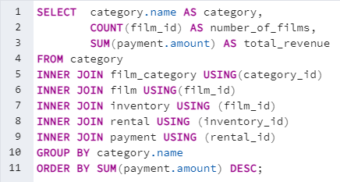
category | number_of_films | total_revenue
Sports | 1081 | 4892.19 | 8% | 61312.04
Sci-Fi | 998 | 4336.01 | 7%
Animation | 1065 | 4245.31 | 7%
Drama | 953 | 4118.46 | 7%
Comedy | 851 | 4002.48 | 7%
New | 864 | 3966.38 | 6%
Action | 1013 | 3951.84 | 6%
Foreign | 953 | 3934.47 | 6%
Games | 884 | 3922.18 | 6%
Family | 977 | 3782.26 | 6%
Documentary | 937 | 3749.65 | 6%
Horror | 773 | 3401.27 | 6%
Classics | 860 | 3353.38 | 5%
Children | 861 | 3309.39 | 5%
Travel | 765 | 3227.36 | 5%
Music | 750 | 3071.52 | 5%
Thriller | 11 | 47.89 | 0%

Rating Revenue
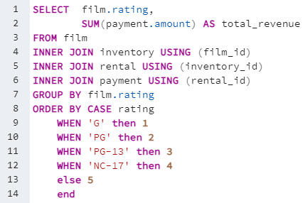
rating | total_revenue
G | 10511.88
PG | 12236.65
PG-13 | 13855.56
NC-17 | 12634.92
R | 12073.03

Top 5 Films
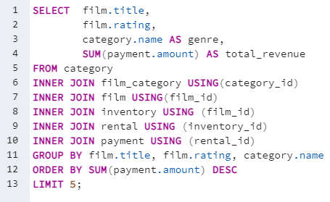
title | rating | genre | total_revenue
Telegraph Voyage | PG | Music | 215.75
Zorro Ark | NC-17 | Comedy | 199.72
Wife Turn | NC-17 | Documentary | 198.73
Innocent Usual | PG-13 | Foreign | 191.74
Hustler Party | NC-17 | Comedy | 190.78

Worst 5 Films
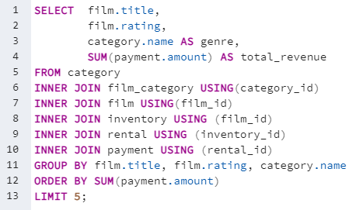
title | rating | genre | total_revenue
Texas Watch | NC-17 | Horror | 5.94
Oklahoma Jumanji | PG | New | 5.94
Duffel Apocalypse | G | Documentary | 5.94
Freedom Cleopatra | PG-13 | Comedy | 5.95
Rebel Airport | G | Music | 6.93

